Sheet1
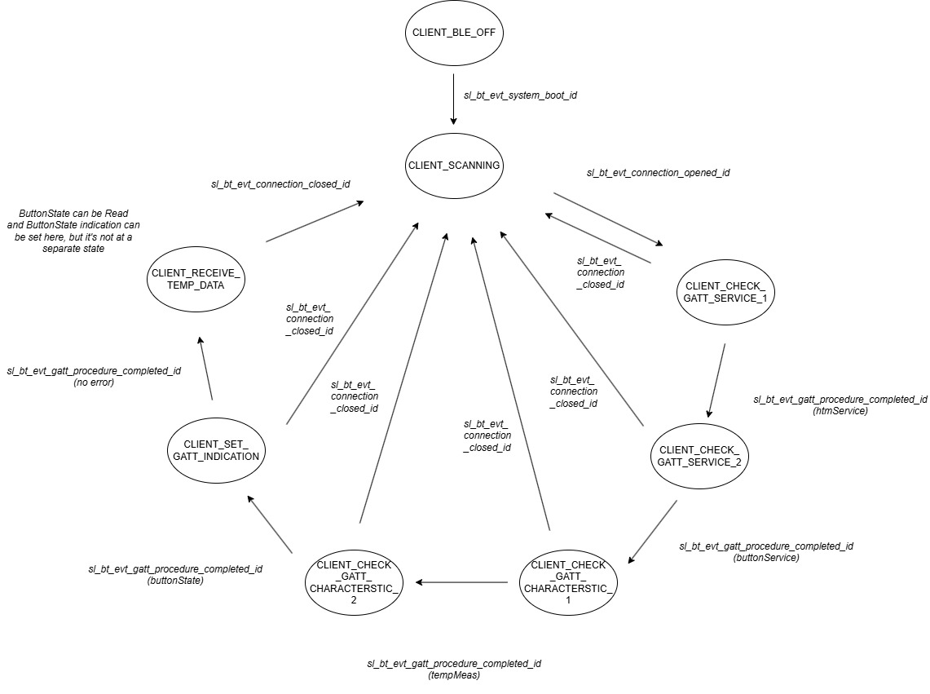
 | Client Command Table for A7

 | Use this table to help you design your program. Add rows as needed. | Use this column to describe when and what your LCD display changes to for rows like DISPLAY_ROW_CONNECTION | Use this column to denote if BT stack events cause your state machine to advance, you can put an X in the cell to note this. Drawing a bubble diagram of your state machine might also be a good idea 👍. | Commands that may be useful: sl_bt_gatt_discover_primary_services_by_uuid() sl_bt_gatt_discover_characteristics_by_uuid()
 | Event | LCD Display State | Advances State Machine | Commands called in response to event | Notes
Events Common to Slaves/Clients
 | sl_bt_evt_system_boot_id |  |  | This event is generated on stack boot up | You can also document in column D values that need to be saved in response to receiving BT stack events.
 |  |  |  | sl_bt_sm_delete_bondings()
 |  |  |  | sl_bt_system_get_identity_address() | To get address of device
 |  |  |  | sl_bt_scanner_set_parameters() | Set phy to 1M and mode to passive scanning
 |  |  |  |  | Set phy to 1M, scan interval to 50ms and scan window to 25ms
 |  |  |  |  | Things to be aware of: Scanning is now controlled by a software component. The Bluetooth SoC Empty project includes software component "Scanner for legacy advertisements” which creates event sl_bt_evt_scanner_legacy_advertisement_report_id, which is what we are currently doing in our Sever implementations (sending what SiLabs refers to as legacy advertisements).
 |  |  |  | sl_bt_connection_set_default_parameters() | See the assignment document for these values
 |  | DISPLAY_ROW_NAME, "Client" DISPLAY_ROW_BTADDR, client_addr DISPLAY_ROW_CONNECTION, "Discovering" DISPLAY_ROW_ASSIGNMENT, "A9" | X (BLE_OFF -> SCANNING) | sl_bt_scanner_start() | You should start and stop scanning just like you did with advertising for a Server.
 |  |  |  | sl_bt_sm_configure() | 0x2F, displayyesno
 | sl_bt_evt_connection_opened_id
 |  | DISPLAY_ROW_CONNECTION, "Connected" DISPLAY_ROW_BTADDR2, server_addr | X (SCANNING -> GATT_SERVICE_1) | sl_bt_gatt_discover_primary_services_by_uuid() | Discover Health Thermometer Service (uuid = 0x1809)

 | sl_bt_evt_connection_closed_id | DISPLAY_ROW_CONNECTION, "Discovering" DISPLAY_ROW_BTADDR2, "" DISPLAY_ROW_TEMPVALUE, "" | X (ANY_STATE -> SCANNING) | sl_bt_sm_delete_bondings() update_flags() sl_bt_scanner_start() | Start scanning for server again (for new potential connection)
 |  | DISPLAY_ROW_PASSKEY, "" DISPLAY_ROW_ACTION, "" DISPLAY_ROW_9, ""

 | sl_bt_evt_system_soft_timer_id |  |  | This event indicates that a soft timer has expired. displayUpdate() - not a BLE function | Prevent charge build-up on LCD

Events only for Masters/Clients
 | sl_bt_evt_scanner_legacy_advertisement_report_id |  |  | Received for advertising or scan response packets generated by: sl_bt_scanner_start(). Is the bd_addr, packet_type and address_type what we expect for our Server? If yes: sl_bt_scanner_stop() sl_bt_connection_open()
 | sl_bt_evt_gatt_procedure_completed_id |  |  | We get this event when it’s ok to call the next GATT command. It’s a good idea to check for returned error codes. This would be a great event to use to sequence your new state machine. | Do not build your state machine into your handle_ble_event() function! Instead build a new state machine for A7.
 |  |  | X (GATT_SERVICE_1 -> GATT_SERVICE_2 -> GATT_CHARACTERISTIC_1) | sl_bt_gatt_discover_primary_services_by_uuid() sl_bt_gatt_discover_characteristics_by_uuid() | CLIENT_CHECK_GATT_SERVICE_1 CLIENT_CHECK_GATT_SERVICE_2
 |  |  | X (GATT_CHARACTERISTIC_1 -> GATT_CHARACTERISTIC_2 -> GATT_INDICATION | sl_bt_gatt_discover_characteristics_by_uuid() sl_bt_gatt_set_characteristic_notification() | CLIENT_CHECK_GATT_CHARACTERISTIC_1 CLIENT_CHECK_GATT_CHARACTERISTIC_2
 |  | DISPLAY_ROW_CONNECTION, "Handling Indications" | X (GATT_INDICATION -> RECEIVE_TEMP_DATA) | update_flag_for_indication() | only when CLIENT_SET_GATT_INDICATION no ble function called, update flag for indication
 |  |  |  | update_gpio_led() | Only on PB0 button indication change
 |  |  |  | sl_bt_sm_increase_security() | On failure to read ButtonState, error code = SL_STATUS_BT_ATT_INSUFFICIENT_ENCRYPTION
 | sl_bt_evt_gatt_service_id |  |  | A GATT service in the remote GATT database was discovered update_flag_for_service() | Discovered Health Thermometer Service(uuid = 0x1809), clientState = CLIENT_GATT_CHECK_SERVICE_1 Discovered Button Service, clientState = CLIENT_GATT_CHECK_SERVICE_2
 | sl_bt_evt_gatt_characteristic_id |  |  | A GATT characteristic in the remote GATT database was discovered update_flag_for_characteristic() | Discovered Temperature Measurement Characteristic (uuid = 0x2A1C), client_state = CLIENT_GATT_CHECK_CHARACTERISTIC_1 Discovered Button State Characteristic, client_state = CLIENT_GATT_CHECK_CHARACTERISTIC_2
 | sl_bt_evt_system_external_signal_id |  |  | sl_bt_sm_passkey_confirm() | PB0 press when authenticating for bonding
 |  |  |  | sl_bt_gatt_set_characteristic_notification() | PB0/PB1 press for indication for buttonState
 |  |  |  | sl_bt_gatt_read_characteristic_value() | PB1 press for reading buttonState
 | sl_bt_evt_sm_confirm_bonding_id |  |  | sl_bt_sm_bonding_confirm()
 | sl_bt_evt_sm_confirm_passkey_id
 |  | DISPLAY_ROW_PASSKEY, passkey DISPLAY_ROW_ACTION, "Confirm with PB0" |  | displayprintf() | Display the passkey
 | sl_bt_evt_gatt_characteristic_value_id | DISPLAY_ROW_TEMPVALUE, "Temp=%d", temperature DISPLAY_ROW_9, "Button Pressed" or "Button Released" |  | If an indication or notification has been enabled for a characteristic, this event is triggered whenever an indication or notification is received from the remote GATT server. Is the characteristic handle and att_opcode we expect? If yes: sl_bt_gatt_send_characteristic_confirmation() | Indication enabled for Temperature Measurement (uuid = 0x2A1C) Indication enabled for buttonState
 | PB1 release |  |  | sl_bt_gatt_read_characteristic_value() | if only PB1 pressed before
 |  |  |  |  | if both buttons pressed before
 | PB0 Release |  |  |  | if only PB0 pressed before and waiting for passkey for bonding

 | sl_bt_evt_sm_confirm_bonding_id
 |  |  |  | sl_bt_sm_bonding_confirm()
 | sl_bt_evt_sm_confirm_passkey_id
 |  | DISPLAY_ROW_PASSKEY, passkey DISPLAY_ROW_ACTION, "Confirm with PB0" |  | displayprintf() | Display the passkey
 | sl_bt_evt_sm_bonded_id
 |  | DISPLAY_ROW_CONNECTION, "Bonded" DISPLAY_ROW_PASSKEY, "" DISPLAY_ROW_ACTION, "" |  | displayprintf()
 | sl_bt_evt_sm_bonding_failed_id |  |  | LOG_ERROR() sl_bt_connection_close() | Log Error and close connection

